FSD e_Dialysis Clinical
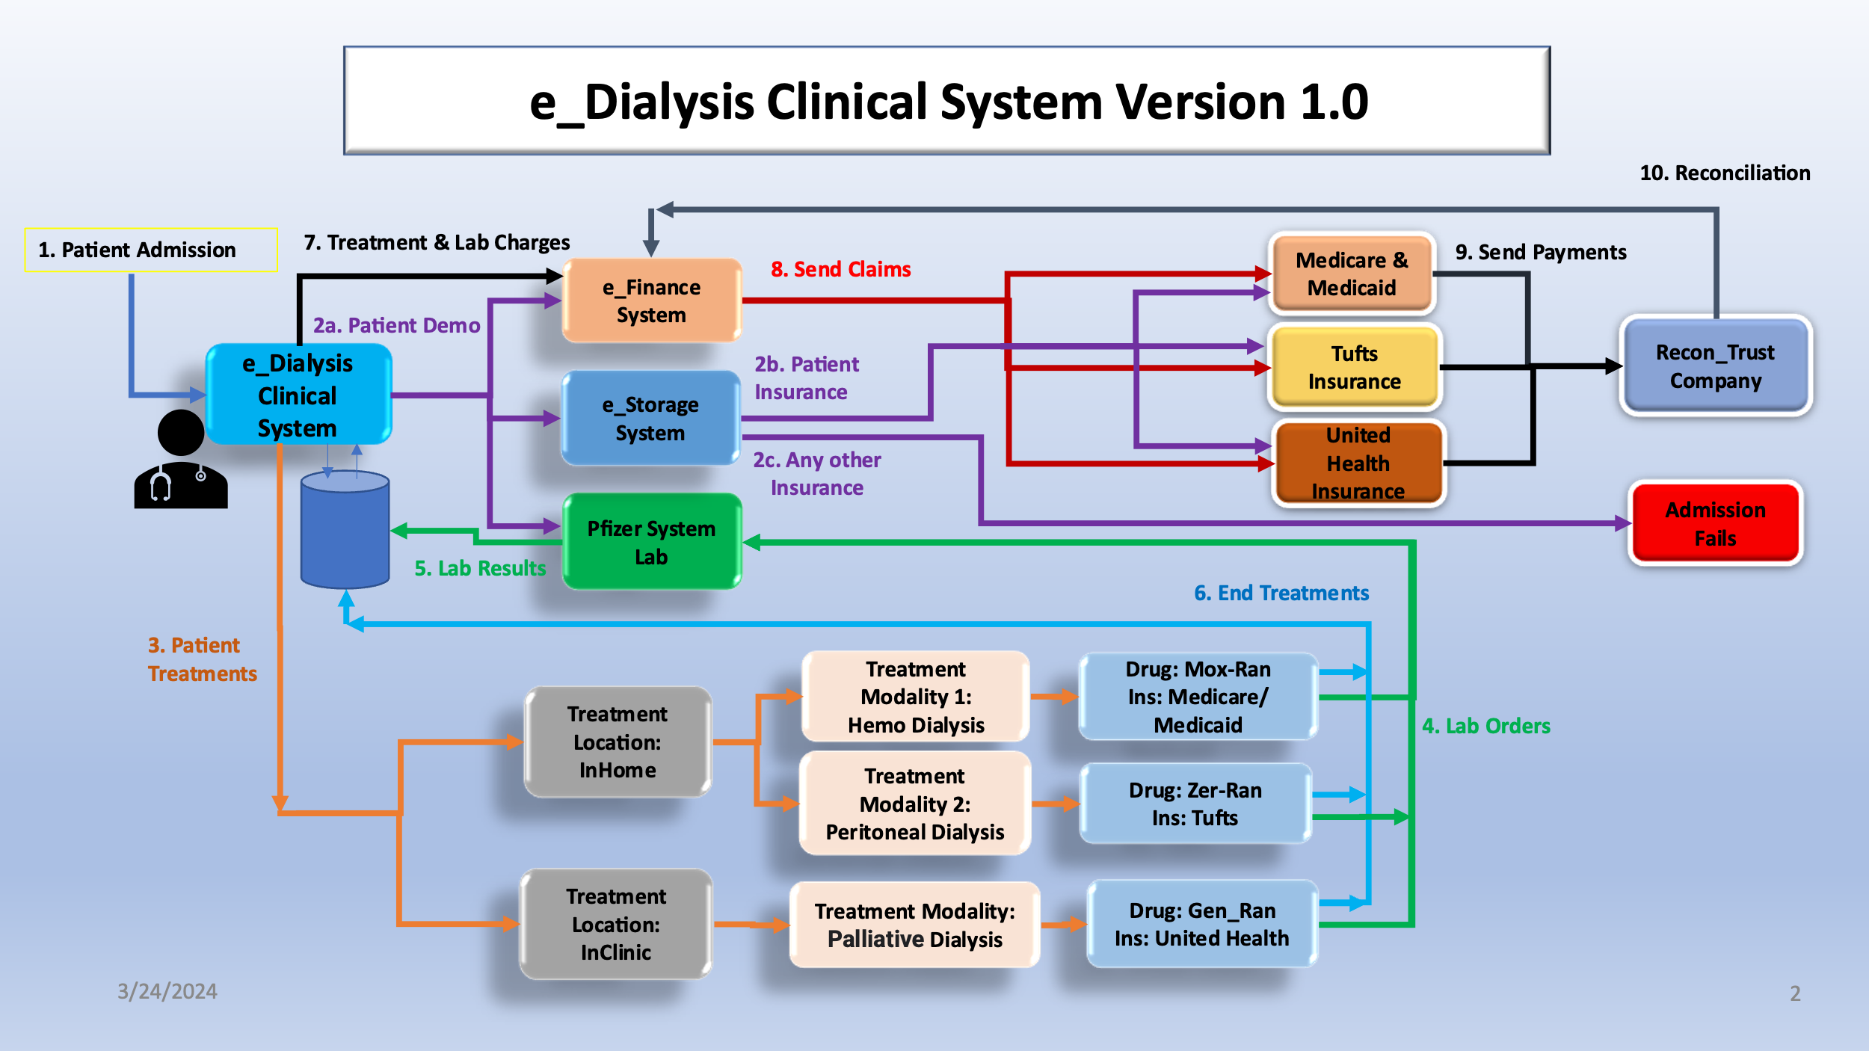
e_Dialysis Clinical System - Functional Specification Document: (FSD)
Summary | e_Diaylsis Clinical System is a new system helping nurses to provide better care for their patients. Here are the functional requirements for this new system.

1. Patient Admission
New & Existing Patients
1.1 Admit_Patient_New | Admit a New patient into the e_Diaylsis Clinical System with the FinAdmit_Flag = Yes. The demographics info is sent to: 1. e_Finance System. 2. e_Storage System. 3. Pfizer System Lab. New folders are created containing all of the Patient demographics information in all 3 systems.
1.2 Admit_Patient_Existing | Admit an Existing patient into the e_Diaylsis Clinical system with the FinAdmit_Flag = Yes. The demographics info is sent to: 1. e_Finance System. 2. e_Storage System. 3. Pfizer System All existing folders are updated with all of the Patient demographics information in all 3 systems.
1.3 Admit_Patient_Insurance | For all patients, the e_Storage System sends the Insurance Information to either Medicare/Medicaid, or Tufts, or the United Health Insurance companies as part of the admission for registration purposes.
1.4 Admit Patient_Insurance_No | Admit a new or existing patient with a different insurance (other than the listed 3). The patient should get rejected. (even if the FinAdmit_Flag = yes)
1.5 Admit_Patient_Flag-No | Admit a New or an Existing patient into the system with "FinAdmit_Flag = No". - The patient will be rejected.

2. Patient Treatments
New & EXISTING Patients
2.1 New Treatment - InHome_Hemo_M&M | Treat a New patient with the "Diaylsis_Flag = Yes", Treatment Location = InHome, Treatment Modality = Hemo, and the Insurance Type = Medicare/Medicaid. - The patient will get treated InHome using the "Mox-Ran" drug only.
2.2 Existing Treatnent - InHome_Hemo_M&M | Treat an Existing patient with the "Diaylsis_Flag = Yes", Treatment Location = InHome, Treatment Modality = Hemo, and the Insurance Type = Medicare/Medicaid. - The patient will get treated InHome using the "Mox-Ran" drug only.
2.3 New Treatment - InHome_Peritoneal_Tufts | Treat a New patient with the "Diaylsis_Flag = Yes", Treatment Location = InHome, Treatment Modality = Peritoneal, and Insurance Type = Tufts. - The patient will get treated at InHome using the "Zer-Ran" drug only.
2.4 Existing Treatment - InHome_Peritoneal_Tufts | Treat an Existing patient with the "Diaylsis_Flag = Yes", Treatment Location = InHome, Treatment Modality = Peritoneal, and the Insurance Type = Tufts. - The patient will get treated at InHome using the "Zer-Ran" drug only.
2.5 New Treatment - InClinic_Hemo_United_Health | Treat a New patient with the "Diaylsis_Flag = Yes", the Treatment Location = InClinic, Treatment Modality = Palliative, and the Insurance Type = United Health. - The patient will get treated using the "Gen-Ran" drug only.
2.6 Existing Treatment - InClinic_Hemo_United_Health | Treat an Existing patient with the "Diaylsis_Flag = Yes", the Treatment Location = InClinic, Treatment Modality = Palliative, and the Insurance Type = United Health. - The patient will get treated using the "Gen-Ran" drug only.
2.7 Dialysis_Flag_1 = No | No treatments should be allowed for a New or an Existing patient whose "Diaylsis_Flag = No" for all insurances and Treatment Locations/Modalities.

3. Lab Orders and Results
New & EXISTING Patients
3.1 New Labs InHome_Hemo_M&M | For a New patient with the "Diaylsis_Flag = Yes", Treatment Location = InHome, Treatment Modality = Hemo, Insurance Type = Medicare/Medicaid, and Drug = Mox-Ran, the Lab Orders are sent to the Pfizer System Lab. - The Pfizer System Lab processes the Lab Orders and sends the Results to the e_Diaylsis Clinical System.
3.2 Existing Labs -InHome_Hemo_M&M | For an Existing patient with the "Diaylsis_Flag = Yes", Treatment Location = InHome, Treatment Modality = Hemo, Insurance Type = Medicare/Medicaid, and Drug = Mox-Ran, the Lab Orders are sent to the Pfizer System Lab. - The Pfizer System Lab processes the Lab Orders and sends the Results to the e_Diaylsis Clinical System.
3.3 New Labs-InHome_Peritoneal_Tufts | For a New patient with the "Diaylsis_Flag = Yes", Treatment Location = InHome, Treatment Modality = Peritoneal, Insurance Type = Tufts, and Drug = Zer-Ran, the Lab Orders are sent to the Pfizer System Lab. - The Pfizer System Lab processes the Lab Orders and stores the Results in the e_Diaylsis Clinical System.
3.4 Existing Labs-InHome_Peritoneal_Tufts | For an Existing patient with the "Diaylsis_Flag = Yes", Treatment Location = InHome, Treatment Modality = Peritoneal, Insurance Type = Tufts, and Drug = Zer-Ran, the Lab Orders are sent to the Pfizer System Lab. - The Pfizer System Lab processes the Lab Orders and sends the Results to the e_Diaylsis Clinical System.
3.5 New Labs-InClinic-Palliative-United_Health | For a New patient with the "Diaylsis_Flag = Yes", the Treatment Location = InClinic, Treatment Modality = Palliative, Insurance Type = United Health, and Drug = Gen-Ran, the Lab Orders are sent to the Pfizer System Lab. - The Pfizer System Lab processes the Lab Orders and sends the Results to the e_Diaylsis Clinical System.
3.6 Existing Labs-InClinic-Palliative-United_Health | For an Existing patient with the "Diaylsis_Flag = Yes", the Treatment Location = InClinic, Treatment Modality = Palliative, the Insurance Type = United Health, and Drug = Gen-Ran, the Lab Orders are sent to the Pfizer System Lab. - The Pfizer System Lab processes the Lab Orders and sends the Results to the e_Diaylsis Clinical System.
3.7 Dialysis_Flag_2 = No | No Lab Orders will be sent to the Pfizer System Lab for a New or an Existing patient whose "Diaylsis_Flag = No" for all insurances and the Treatment Locations and Modalities.

4. Treatment and Lab Charges
New & EXISTING Patients | For all patients treated, the Treatment and Lab Charges are stored in the e_Diaylsis Clinical System database.
4.1 Treatment_lab_Charges_InHome_Hemo | The e_Diaylsis Clinical System sends all Treatment & Lab Charges for the New and Existing patients with the Treatment Location = InHome, Treatment Modality = Hemo, and the Insurance Type = Medicare/Medicaid to the e_Finance system if the "Diaylsis_Flag = Yes".
4.2 Treatment_lab_Charges_InHome_Peritoneal | The e_Diaylsis Clinical System sends all Treatment & Lab Charges for the New and Existing patients with the Treatment Location = InHome, Treatment Modality = Peritoneal, and the Insurance Type = Tufts to the e_Finance system if the "Diaylsis_Flag = Yes".
4.3 Treatment_lab_Charges_InClinic_Palliative | The e_Diaylsis Clinical System sends all Treatment & Lab Charges for the New and Existing patients with the Treatment Location = InClinic, Treatment Modality = Palliative, and the Insurance Type = United Health to the e_Finance system if the "Diaylsis_Flag = Yes".
4.4 Treatment_lab_Charges_No | The e_Diaylsis Clinical System does not send any Treatment & Lab Charges to the e_Finance system for New or Existing Patients with the Treatment Location = InHome/InClinic when the "Diaylsis_Flag = No" (No Treatments done).

5. Financial Billing & Payments (e_Finance System)
Claims
5.1 Claims_InHome_Hemo_M&M | The e_Finance system sends all Claims for the Treatment and the Lab Charges for all New and Existing patients with the Treatment Location = InHome, and Treatment Modality = Hemo to Medicare/Medicaid. - The Claims are accepted by Medicare/Medicaid and the payment is sent to the Recon_Trus company.
5.2 Claims_InHome_Peritoneal_Tufts | The e_Finance system sends the Claims for the Treatment and the Lab Charges for all New and Existing patients with the Treatment Location = InHome, and Treatment Modality = Peritoneal to Tufts. - The Claims are accepted by the Tufts insurance company and the payment is sent to the Recon_Trus company.
5.3 Claims_InClinic_Palliative_United_Health | The e_Finance system sends the Claims for the Treatment and the Lab Charges for all New and Existing patients with the Treatment Location = InClinic, and Treatment Modality = Palliative to United Health. - The Claims are accepted by the United Health insurance company and the payment is sent to the Recon_Trus Company.
5.4 Claims_No | The e_Finance system does not send any Claims for any New/Existing patient treatment charges to any of the Insurance companies if the Treament flag is set to No (Diaylsis_Flag = No).

6. Reconciliation
6.1 Recon_Trus_Weekly_Run | The Recon_Trus Company does a weekly Claims/payments reconciliation with the e_Finance System and stores all of the results for auditing purposes. It passes the Recon.
6.2 Recon_Trust_Weekly_Fail | The Recon_Trus Company does a weekly Claims/payments reconciliation with the e_Finance System. It Fails the recon.
6.3 Recon_Trust_Weekly_ReRun | In case of a failure - Another recon is needed to correct the problem. It is assumed that the 2nd run is always successful.

